Blad1
 | EAN | Description | QTY | Retail | Price
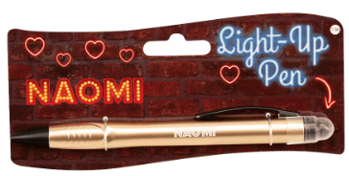 | Various | Light-Up LED Ballpoint pen div Naam & kleur | 70,260 | € 11.95 |  | https://www.bol.com/nl/nl/p/paper-dreams-balpen-light-up-geslaagd-junior-zwart/9300000051706924/
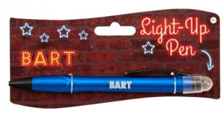

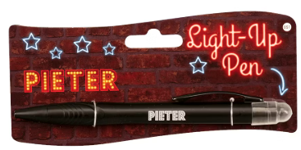

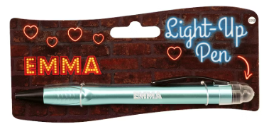

no it

